KAPPA Appare Purchase Order
 |  |  |  |  | Minimum Order Quantity 500 Pairs
S.no. | Image | Product | Description | Quantity | Total Purchase Quantity | Total Purchase
1 | 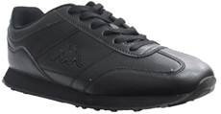 | 303000-953BLK130 | ZIONE MENS TRAINERS BLACK - UK7 - Black | 214
2 |  | 303000-953BLK132 | ZIONE MENS TRAINERS BLACK - UK8 - Black | 642
3 |  | 303000-953BLK134 | ZIONE MENS TRAINERS BLACK - UK9 - Black | 856
4 |  | 303000-953BLK136 | ZIONE MENS TRAINERS BLACK - UK10 - Black | 642
5 |  | 303000-953BLK138 | ZIONE MENS TRAINERS BLACK - UK11 - Black | 214
6 | 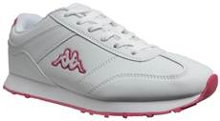 | 303000-948WPK119 | ZIONE WOMENS TRAINERS WHITE PINK - UK4 - white pink | 102
7 |  | 303000-948WPK121 | ZIONE WOMENS TRAINERS WHITE PINK - UK5 - white pink | 395
8 |  | 303000-948WPK128 | ZIONE WOMENS TRAINERS WHITE PINK - UK6 - white pink | 392
9 |  | 303000-948WPK130 | ZIONE WOMENS TRAINERS WHITE PINK - UK7 - white pink | 193
10 |  | 303000-948WPK132 | ZIONE WOMENS TRAINERS WHITE PINK - UK8 - white pink | 98
11 | 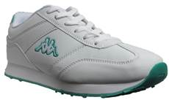 | 303000-947WGN119 | ZIONE WOMENS TRAINERS WHITE MINT - UK4 - White Green | 237
12 |  | 303000-947WGN121 | ZIONE WOMENS TRAINERS WHITE MINT - UK5 - White Green | 948
13 |  | 303000-947WGN128 | ZIONE WOMENS TRAINERS WHITE MINT - UK6 - White Green | 950
14 |  | 303000-947WGN130 | ZIONE WOMENS TRAINERS WHITE MINT - UK7 - White Green | 474
15 |  | 303000-947WGN132 | ZIONE WOMENS TRAINERS WHITE MINT - UK8 - White Green | 237
16 | 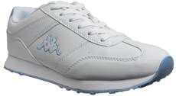 | 303000-954WSK119 | ZIONE WOMENS TRAINERS WHITE SKY - UK4 - white sky | 195
17 |  | 303000-954WSK121 | ZIONE WOMENS TRAINERS WHITE SKY - UK5 - white sky | 780
18 |  | 303000-954WSK128 | ZIONE WOMENS TRAINERS WHITE SKY - UK6 - white sky | 780
19 |  | 303000-954WSK130 | ZIONE WOMENS TRAINERS WHITE SKY - UK7 - white sky | 390
20 |  | 303000-954WSK132 | ZIONE WOMENS TRAINERS WHITE SKY - UK8 - white sky | 195

